Decision Tree
CRM Decision Tree Diagarm

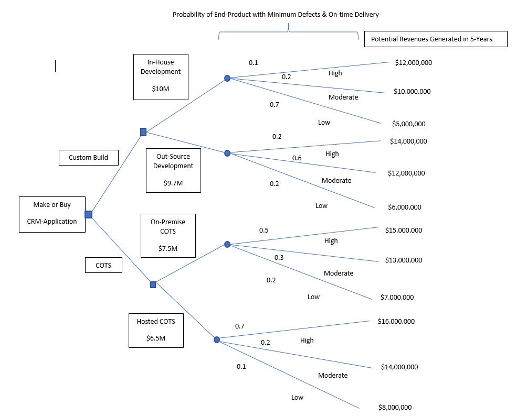

Examine the decisoon treet diagarem above; next complete each of the decision trree branch analysis using the tables below; evaluate the final results and answer the question as to your recommnedation for the best option

Custom Development
Branch 1 | Cost | High |  |  | Moderate |  |  | Low |  |  | Branch Total | Value
In-House Development |  | Probability | Value | Total | Probability | Value | Total | Probability | Value | Total
 | $10,000,000 | 0.10 | $12,000,000 | $1,200,000 | 0.15 | $10,000,000 | $1,500,000 | 0.70 | $4,500,000 | $3,150,000 | $5,850,000 | -$4,150,000
Branch 2 | Cost | High |  |  | Moderate |  |  | Low
Outsource Development |  | Probability | Value | Total | Probability | Value | Total | Probability | Value | Total
 | $9,700,000 | 0.15 | $12,000,000 | $1,800,000 | 0.60 | $13,000,000 | $7,800,000 | 0.25 | $6,000,000 | $1,500,000 | $11,100,000 | $1,400,000

COTS
Branch 1 | Cost | High |  |  | Moderate |  |  | Low |  |  | Branch Total | Value
On-Premise COTS |  | Probability | Value | Total | Probability | Value | Total | Probability | Value | Total
 | $7,500,000 | 0.45 | $15,000,000 | $6,750,000 | 0.35 | $15,000,000 | $5,250,000 | 0.20 | $5,000,000 | $1,000,000 | $13,000,000 | $5,500,000
Branch 2 | Cost | High |  |  | Moderate |  |  | Low
Hosted COTS |  | Probability | Value | Total | Probability | Value | Total | Probability | Value | Total
 | $6,500,000 | 0.80 | $14,000,000 | $11,200,000 | 0.25 | $16,000,000 | $4,000,000 | 0.10 | $9,000,000 | $900,000 | $16,100,000 | $9,600,000

Which option would provide the best overall value and why? |  |  | Hosted COTS will provide better overall value as they will be relatively high in genrating high revenue
* Note: one of the branch values should resullt in a negative number.

